Logic Patterns
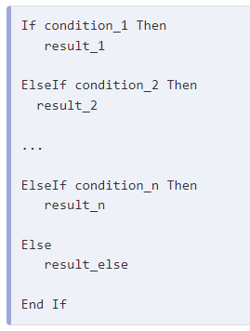
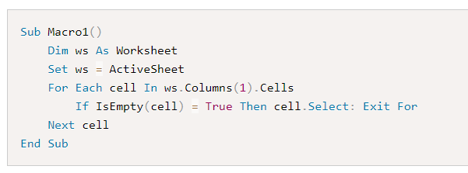
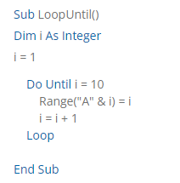
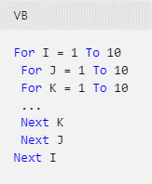

Sub Macro1()
Dim ws As Worksheet
Set ws = ActiveSheet
For Each cell In ws.Columns(1).Cells
If IsEmpty(cell) = True Then cell.Select: Exit For
Next cell
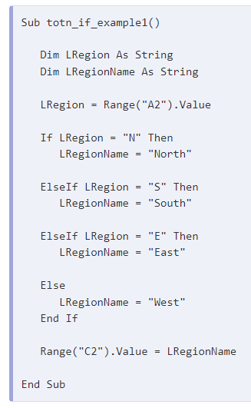
End Sub

Sub Macro4()
'Step 1: Declare Your Variables.
Dim LastBlankRow As Long
'Step 2: Capture the last used row number.
LastBlankRow = Cells(Rows.Count, 1).End(xlUp).Row + 1
'Step 3: Select the next row down
Cells(LastBlankRow, 1).Select
End Sub

Dim lLastRow As Long
lLastRow = ActiveSheet.Cells.Find(What:="*", After:= Cells(1, 1), LookIn:=xlFormulas, LookAt:= xlPart, SearchOrder:=xlByRows, SearchDirection:=xlPrevious, MatchCase:=False).Row

